Nachbearbeitung
NRMSD
 | 0.1176960326
 | 0.1133026262
 | 0.1080646979
 | 0.1058166566
 | 0.104479499
 | 0.1029579035
 | 0.1018837364
 | 0.100599339
 | 0.0994397322
 | 0.0984926476
 | 0.0980082128
 | 0.0965406895
 | 0.0960727016
 | 0.0957886694
 | 0.0955665799
 | 0.0954445567
 | 0.0948111793
 | 0.0939935454
 | 0.0929925067
 | 0.0923413787
 | 0.0919247424
 | 0.0917245441
 | 0.0916691259
 | 0.0915003077
 | 0.0913815228
 | 0.0913408255
 | 0.0912870683
 | 0.0910717879
 | 0.0909286269
 | 0.0908289274
 | 0.0907451018
 | 0.0907224454
 | 0.0906778602
 | 0.0906373925
 | 0.0906021444
 | 0.090587044
 | 0.0905363071
 | 0.0904992829
 | 0.0904801545
 | 0.0904543302
 | 0.0903591892
 | 0.0903209531
 | 0.0903030417
 | 0.0902780795
 | 0.0902394223
 | 0.0901941199
 | 0.0901794833
 | 0.0901513977
 | 0.0901145276
 | 0.0900713262
...
Verbesserte Werte | Anzahl der Verbesserungen | Verbesserter Wert | Default Wert | Relative Change | Nicht verbesserte Werte | Werte
ali | 3 | 910434007.13 | 900000000.00 | 0.01159334126 | dcfsn | 3.8
alln | 3 | 1087.098689 | 1000.00 | 0.087098689 | alai1 | 2
amti | 27 | 2.074183 | 1.00 | 1.074183 | alic1 | 14
faipm | 9 | 0.001775 | 0.001 | 0.775 | alsc1 | 20
frpm | 1 | 0.021555 | 0.02 | 0.07775 | fioac1 | 0.43
fspd | 10 | 3.027545 | 2.00 | 0.5137725 | ghup | 0.000000004
hsid | 21 | 25.606112 | 20.00 | 0.2803056 | ici | 210000000000
imef | 41 | 0.000012 | 0.10 | 0.99988 | icor1 | 3
imti | 1 | 9.568968 | 10.00 | 0.0431032 | ieat | 3
lferti | 0 | 750.000012 | 600.00 | 0.25000002 | ilf | 600
lpd | 15 | 15.556328 | 20.00 | 0.2221836 | len | 28
lufdt | 7 | 1.80842 | 2.00 | 0.09579 | lfh | 0.7
mtfn | 2 | 11.482764 | 12.00 | 0.043103 | lfpf | 0.75
nri | 4 | 9.4486243798E+11 | 1.00E+12 | 0.055137562016 | lyf1 | 1
nruf1 | 2 | 1.102015 | 1.00 | 0.102015 | palt | 3200000000
pali | 1 | 2438793103.4 | 2300000000.00 | 0.060344827586 | pl | 0.1
pp19 | 25 | 145463968.13 | 25000000.00 | 4.8185587253 | sci | 144000000000
ppgf1 | 1 | 1.657834 | 1.00 | 0.657834 | scor1 | 1
pptd | 22 | 62.666523 | 20.00 | 2.13332615 | sfpc | 230
rlt | 0 | 29.224133 | 30.00 | 0.025862233333
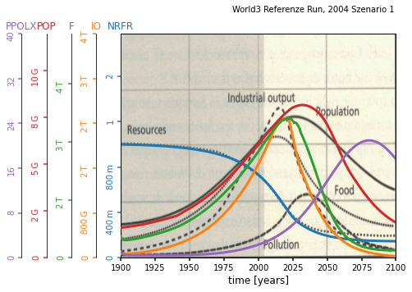
sad | 3 | 19.649231 | 20.00 | 0.01753845
sd | 2 | 0.025952 | 0.07 | 0.62925714286
uildt | 33 | 0.655913 | 10.00 | 0.9344087
uili | 3 | 7139508.0774 | 8200000.00 | 0.12932828324

Relative Change
Anzahl der Verbesserungen

